1. Title Page
Project Name: Instacart Grocery Basket Analysis
Date: 6/7/2024
Analyst Name: David George

Contents:
Population Flow
Consistency checks
Wrangling steps
Column derivations
Visualizations
Recommendations

Objective:

You’re an analyst for an existing company, Instacart, an online grocery store that operates through an app. Instacart already has very good sales, but they want to uncover more information about their sales patterns. Your task is to perform an initial data and exploratory analysis of some of their data in order to derive insights and suggest strategies for better segmentation based on the provided criteria.

Data Citation:

The Instacart Online Grocery Shopping Dataset 2017”, Accessed from www.instacart.com/datasets/grocery-shopping-2017 via Kaggle on [6/7/2024]

2. Population Flow
Title page

Population flow

Exclusion flag
Condition: max_order <
Obervations to be removed:
Final total count of order_products_all:

Orders_products_combined
Orders_products_merged
Orders_products_all

Total: 32,404,859
Total: 32,434,489
Total: 32,404,859

1.) The grey boxes in the first row of the population flow represent the original data sets as they were when you downloaded them. In the Total fields you need to add the count of the rows when you imported the data set into Jupyter.
2.) The second row of boxes (coloured) represents the data sets after you manipulated them, e.g., removed missing values and duplicates. In the Total fields you need to add the count of the rows after conducting these operations. This offers a visual oveview of how the data flows throughout the data consistency checks.
3.) The third row, where also the arrows are coloured, represents the merges you performed between the datasets. In the Total fields you need to add the count of the rows in the merged datasets, so that you end up with the final dataset (in the red box). Keep in mind the final dataset should be without exclusions (based on the exclusion flag).

3. Consistency checks
 |  |  |  | Title page
Consistency checks

Dataset | Missing values | Missing values treatment | Duplicates
orders | 206,209 | Add flag variable if order is a customer's first | 0
products | 16 | Remove Rows | 5
orders_products_prior | 0 | X | 0
customers | 11259 | All missing values are in column 'first_name'. These values were ignored, as they are not relevant to the analysis | 0

4. Wrangling steps
 |  |  |  | Title page
Wrangling steps

Columns dropped | Columns renamed | Columns' type changed | Comment/Reason
 | order_dow: order_day_of_week |  | More clear what DOW means
 |  | order_id = STR | Order id is not a numeric variable
 | order_number: order_ordinal_number |  | Ordinal number tells us if it was a customer's first, second, etc.
 | First_Name: first_name
 | Surnam: surname
 | Gender: gender
 | STATE: state
 | Age: age |  | all columns should follow the same format. I chose lowercase.

5. Column derivations
 |  |  |  | Title page

Column derivations and aggregations

In this tab you should add tables below that the frequences of flags/label variables that you produced after deriving them. NB: don't do this for continuous variables, only for flags.
Dataset | New column | Column/s it was derived from | Conditions
orders_product_combined | price_label | price | Low range products are <=5, high range products are > 15, mid range products are in between the two.
ords_product_combined | busiest_day | order_day_of_week | Identifies the busiest day of the week, and appends it to the list if an order occurred on that day
ords_prods_combined | spending_flag | mean_product_price | Mean product price >= 10 is labeled a high spender, everything else is a low spender
ords_prods_combined | median_days_since_prior_order | days_since_prior_order | Takes the median for each user.
order_products_all | income_group | income | Seperates users into income hroups/
order_products_all | has_dependents | n_dependents | True for 'has kids', false if they do not
order_products_all | age_group | age | Seperates users into age groups

6. Visualizations
 | Title page

Visualisations

In this tab you should include all the visualtions from Exercises 4.9 and 4.10, alongside the questions from the project brief that they answer. Include any commentary on the relationship between different variables.

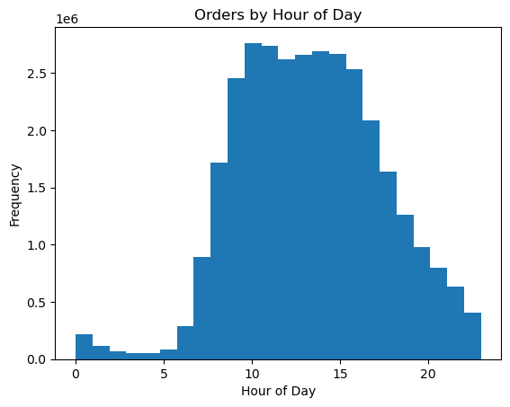
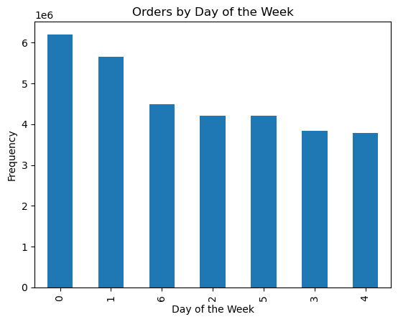
Key Question 1: The sales team needs to know what the busiest days of the week and hours of the day are (i.e., the days and times with the most orders) in order to schedule ads at times when there are fewer orders.
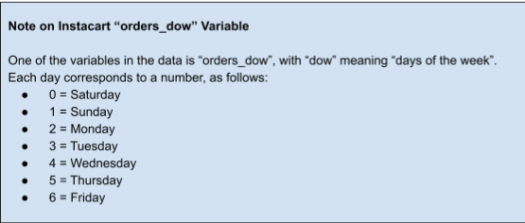

Peak orders: Saturdays
Lowest orders: Wednesdays
Peak traffic: Between hours 10 and 15
Lowest traffic: Between hours 0 and 5

Key Question 2: They also want to know whether there are particular times of the day when people spend the most money, as this might inform the type of products they advertise at these times.
Average Price of Products Sold by Hour
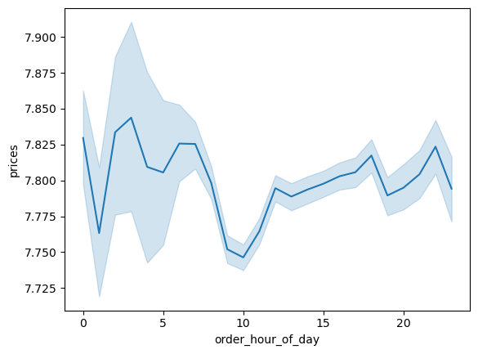

Peak Money Spent: Between 4 and 5 am.

Key Question 3: Instacart has a lot of products with different price tags. Marketing and sales want to use simpler price range groupings to help direct their efforts.

All products have been seperated into low, mid, and high range categories based on price.

 |  | Buying Habits by Region
Key Question 4: Are there certain types of products that are more popular than others? The marketing and sales teams want to know which departments have the highest frequency of product orders.
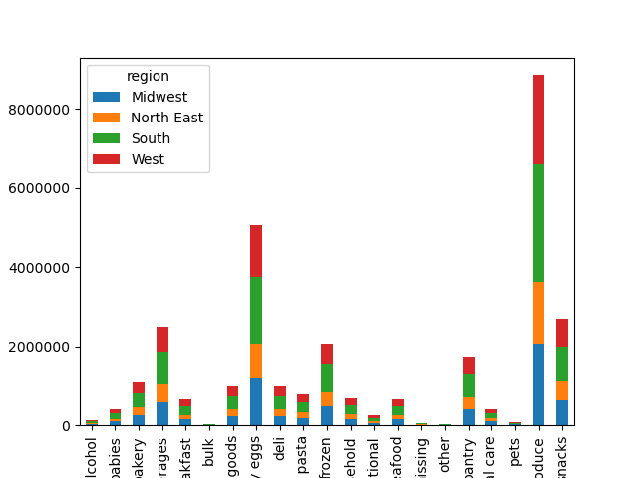

Top 3 Departments Overall:
-produce
-dairy/eggs
-breakfast

Bottom 3 Departments Overall:
-alchohol
-other
-pets

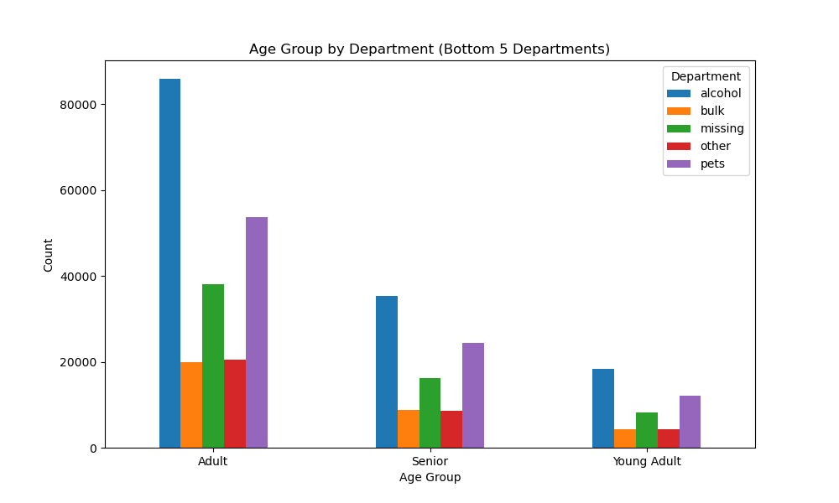
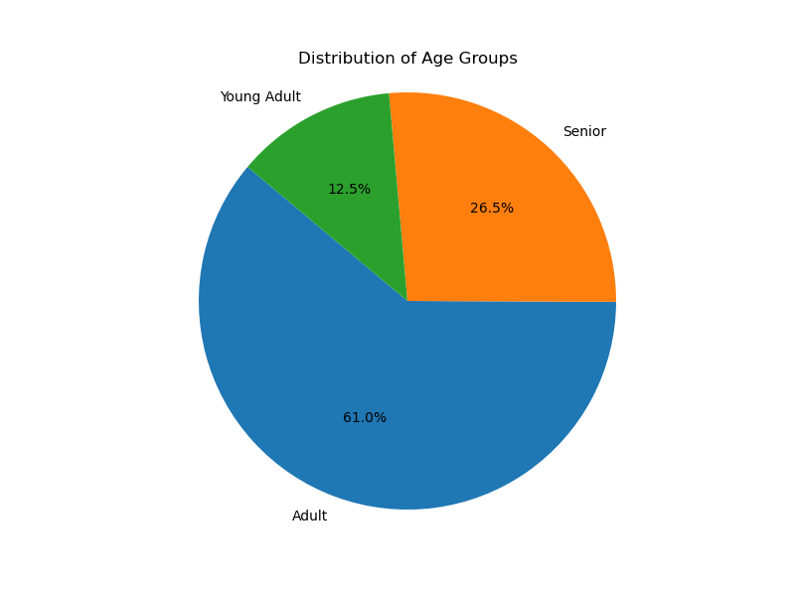
Key Question 5: The marketing and sales teams are particularly interested in the different types of customers in their system and how their ordering behaviors differ
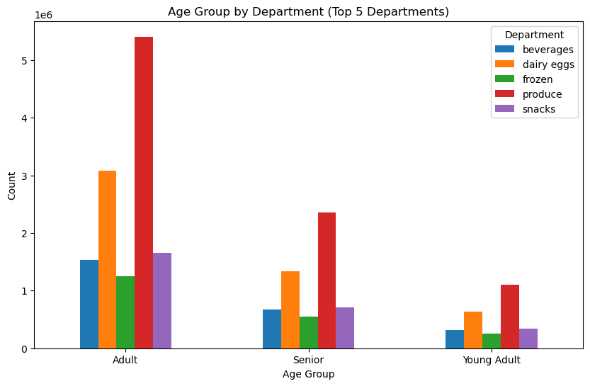

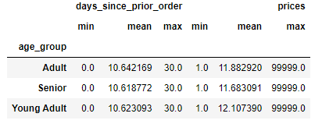
Profile 1: Age
-Adults are responsible for the most purchases
-Young adults buy the least
-All three age groups tend to buy similar products.
- Young adults spend more on average but represent the smallest proprotion of customers
-Seniors have the smallest average order price.

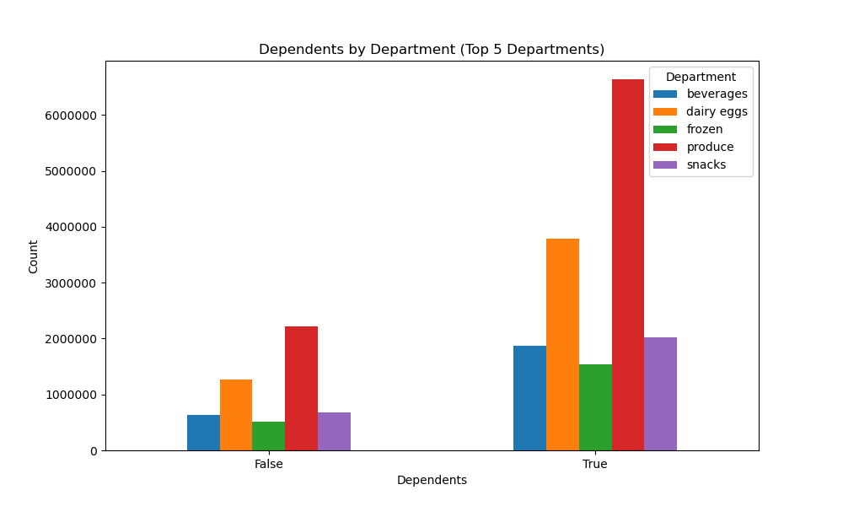
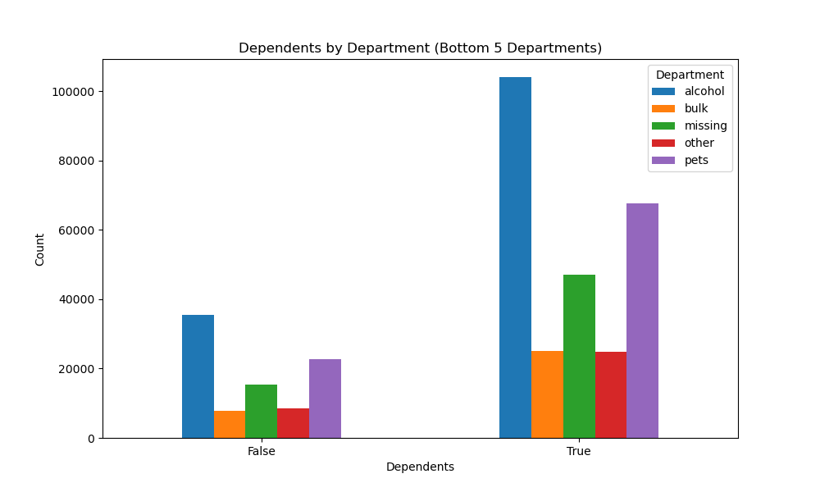
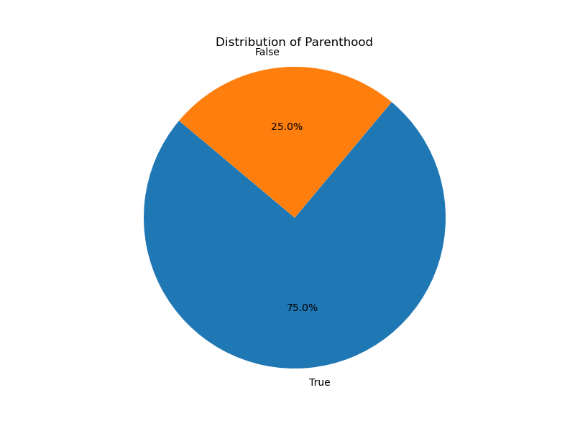

Profile 2: Parents
- Both parents and non-parents buy similar items. Parents represent a larger share of the total number of orders.
-Alchohol remains the least popular department.
-Similar number of days between orders, those without dependents spend slightly more.

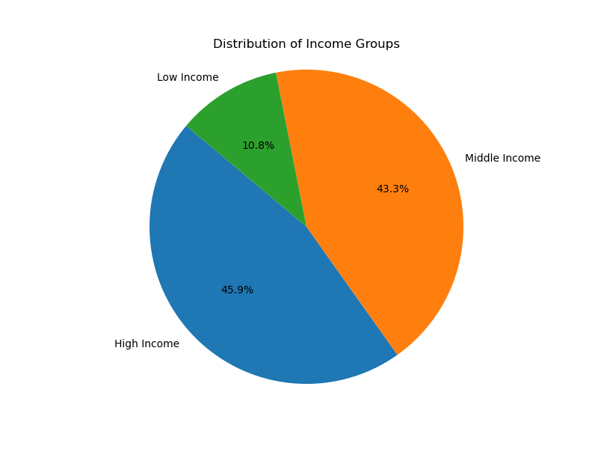
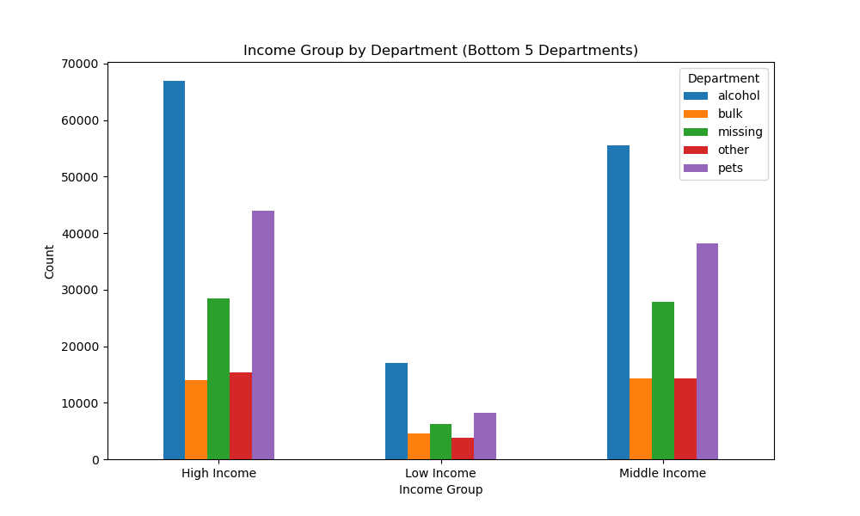
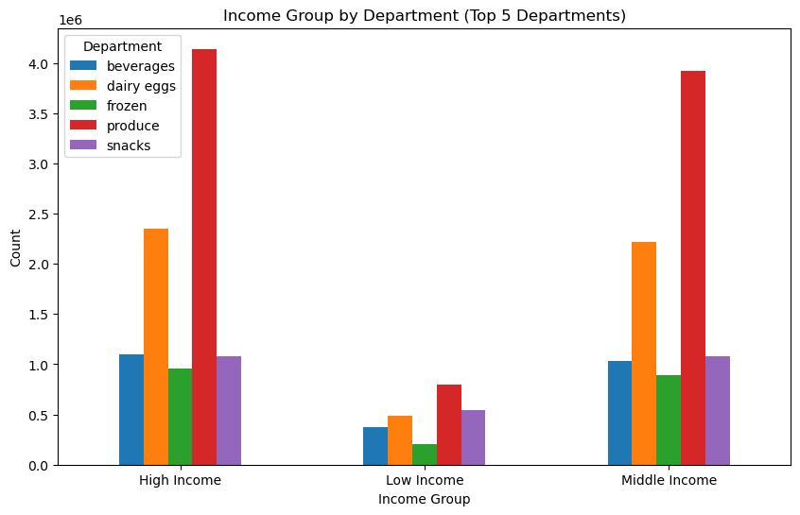

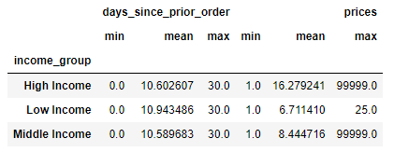

Profile 3: Income
-High Income and middle income customers represent most of sales.
-Low income customers spend the least on average per order, while high income customers spend the most.

7. Recommendations
 | Title page

Recommendations

In this tab you should include any recommendations you would made to Instcart in terms of their marketing strategy based on the questions posed in the brief. Every key question has been covered in the Tasks of the Exercises - here you need to add an item - a visualisation or table/crosstable that is showing the answer in the data, acompanied by a comment from you. Please, list the questions below and add the answer underneath.

Key Question 1: The sales team needs to know what the busiest days of the week and hours of the day are (i.e., the days and times with the most orders) in order to schedule ads at times when there are fewer orders.

Peak orders: Saturdays
Lowest orders: Wednesdays
Peak traffic: Between hours 10 and 15
Lowest traffic: Between hours 0 and 5

Answer: I would suggest advertising on Instacart between hours 0 and 5 to boost orders during a typically slow period. Many people may not realize their favorite store is open.

Key Question 2: They also want to know whether there are particular times of the day when people spend the most money, as this might inform the type of products they advertise at these times.
Average Price of Products Sold by Hour

Peak Money Spent: Between 4 and 5 am.

Answer: The hours between 4 and 5 am have the highest average spending despite low order volume; target products appealing to morning people.
This could include people getting breakfast before work, especially coffee.

Key Question 3: Instacart has a lot of products with different price tags. Marketing and sales want to use simpler price range groupings to help direct their efforts.

All products have been seperated into low, mid, and high range categories based on price.

Answer: All products have been attributed a price category. This is important as differently priced products will appeal to customers with different incomes.

 |  | Buying Habits by Region
Key Question 4: Are there certain types of products that are more popular than others? The marketing and sales teams want to know which departments have the highest frequency of product orders.

Top 3 Departments Overall:
-produce
-dairy/eggs
-breakfast

Answer: Stop pushing products that do not sell very often. Focus on expanding marketing for produce, dairy/eggs, and breakfast.
Create an ad campaign that focuses how instacart can help with sourcing high quality ingredients.

Bottom 3 Departments Overall:
-alchohol
-other
-pets

Key Question 5: The marketing and sales teams are particularly interested in the different types of customers in their system and how their ordering behaviors differ

Profile 1: Age
-Adults are responsible for the most purchases
-Young adults buy the least
-All three age groups tend to buy similar products.
- Young adults spend more on average but represent the smallest proprotion of customers
-Seniors have the smallest average order price.

Profile 2: Parents
- Both parents and non-parents buy similar items. Parents represent a larger share of the total number of orders.
-Alchohol remains the least popular department.
-Similar number of days between orders, those without dependents spend slightly more.

Profile 3: Income
-High Income and middle income customers represent most of sales.
-Low income customers spend the least on average per order, while high income customers spend the most.

Answer:
-Provide discounts and promotions to entice lower income customers, who may be more wary about spending money.
- Provide rewards points for customers who shop frequently. This could reduce the average time between orders for each group
. Create bundle deals to incentivize ordering multiple items.
-Personalized reccomendations based on shopping history
- Install a minimum order amount for delivery.
- Continue to gather feedback to understand customer preferences

